Summary
 |  |  | Date | 01 June 2023
 |  |  | Invoice # | 2
M/S Bank Al-Falah Limited Pakistan |  |  | NTN # | 4312149-7
NTN # 0698202-6
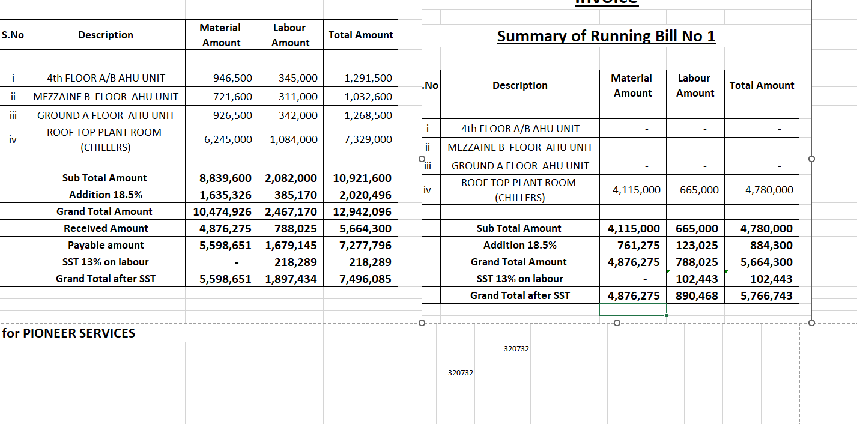

Attn: Mr. Shujaat Ali

Invoice

Summary of Final Bill

S.No | Description | Material Amount | Labour Amount | Total Amount

i | 4th FLOOR A/B AHU UNIT | 946,500 | 345,000 | 1,291,500
ii | MEZZAINE B FLOOR AHU UNIT | 721,600 | 311,000 | 1,032,600
iii | GROUND A FLOOR AHU UNIT | 926,500 | 342,000 | 1,268,500
iv | ROOF TOP PLANT ROOM (CHILLERS) | 2,130,000 | 419,000 | 2,549,000

 | Sub Total Amount | 4,724,600 | 1,417,000 | 6,141,600
 | Addition 18.5% | 874,051 | 262,145 | 1,136,196
 | Grand Total Amount | 5,598,651 | 1,679,145 | 7,277,796
 | SST 13% on labour | - | 218,289 | 218,289
 | Grand Total after SST | 5,598,651 | 1,897,434 | 7,496,085

for PIONEER SERVICES

 | Tax on material 4.5% & on lab 10% | 251,939 | 189,743
 | 4.23% Sales tax on Material | 236,823
 | 20% SRB on Lab |  | 43,657.77

 |  | 5,109,889 | 1,664,033

 |  |  | 6,773,921

